Sheet1
ME SALVE

PICK TICKET CHECK LIST |  |  |  |  | PT# 1766624-1766626
 |  |  |  |  | PO# 24027383-24027381--24027387

TICKETING |  | NO TICKETS

ROUTING |  | Coordinate with ARROWPAC sonia@arrowpac.com

INCOTERM

TRANSPORT

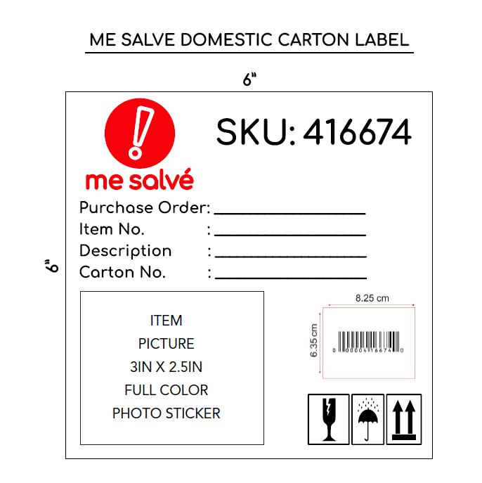
PACKING INSTRUCTIONS:

* All merchandise must be ticketed with a "Me Salve" ticket or valid UPC code.

1. When goods are shipped, the following information must be sent by e-mail, traffic@admincomp.com, mesalve@arrowpac.com on the day the shipment is delivered to or picked up from the carrier:

• Commercial Invoice (This document must be delivered with shipment)
• Packing list (This document must be delivered with shipment)
• Proof of delivery (POD)

2. Do not mix styles in the same pallets. In case you must add another style on the same pallet you must divide the with a carton or wrapping. And identify the pallets with the two styles.

3. BOX MARKS - All cartons need to mark with the following information:

• ME SALVE SKU Number
• Purchase Order Number
• Item Number • Description • Carton No. • UPC • Item Picture

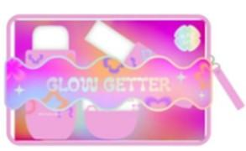
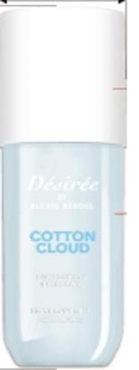
PT STYLE | PT COLOR |  | CUSTOMER SKU | QTY | PT | PO
PL1058OK-42 | 152 |  |  | 480 | 1766624 | 24027381
PL1412NL | PNL |  |  | 624 | 1766626 | 24027387
PL1429NL | K13 |  |  | 720 | 1766626 | 24027387
PL1814NL-42 | 032 |  |  | 480 | 1766624 | 24027381
PL1816NL-42 | 670 |  |  | 480 | 1766624 | 24027381
PL1975NL-42 | 176 |  |  | 1200 | 1766625 | 24027383

PL1976NL-42 | 670 |  |  | 1200 | 1766625 | 24027383
PL1977NL-42 | 861 |  |  | 1200 | 1766625 | 24027383
PL1978NL-42 | 821 |  |  | 1200 | 1766625 | 24027383
PL1979NL-42 | 033 |  |  | 1200 | 1766625 | 24027383
PL1980NL-42 | 034 |  |  | 1200 | 1766625 | 24027383

Total |  |  |  | 9984

